Listings
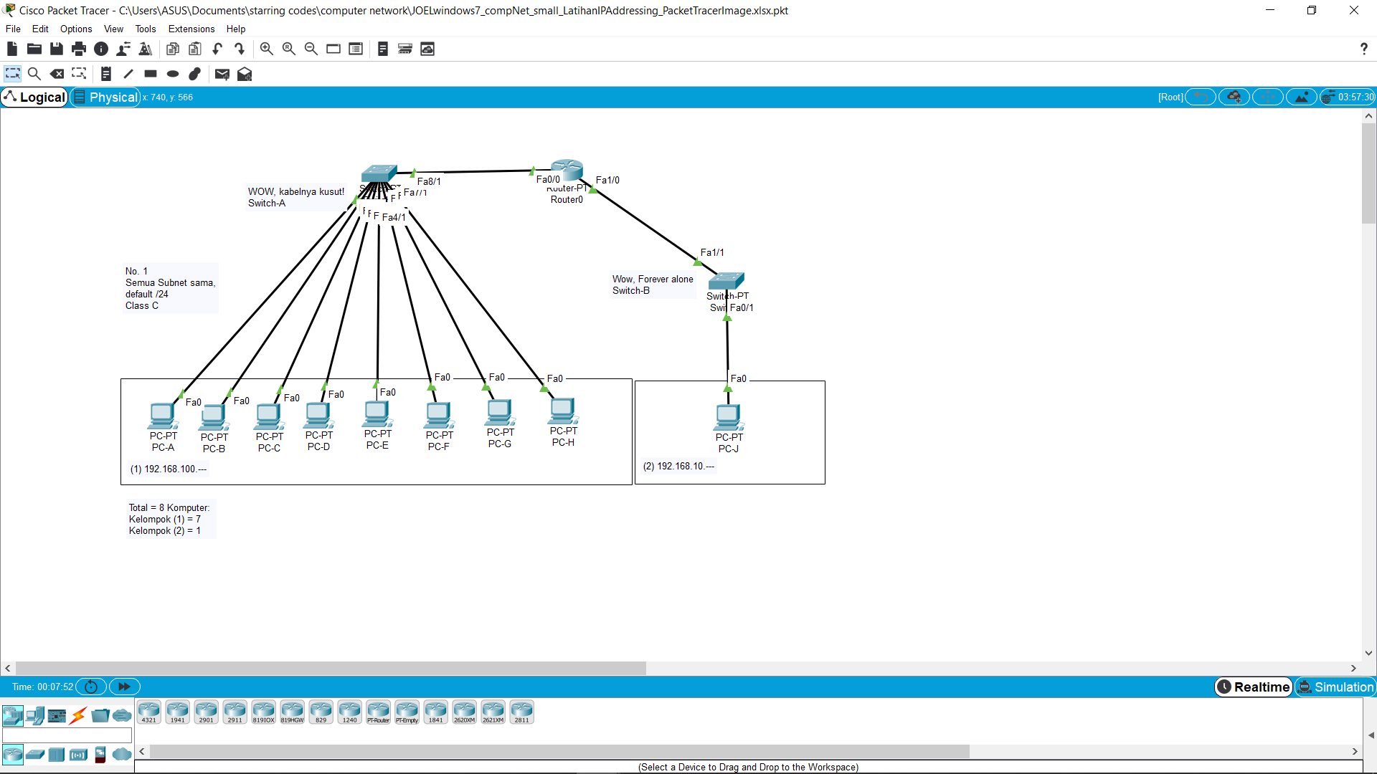
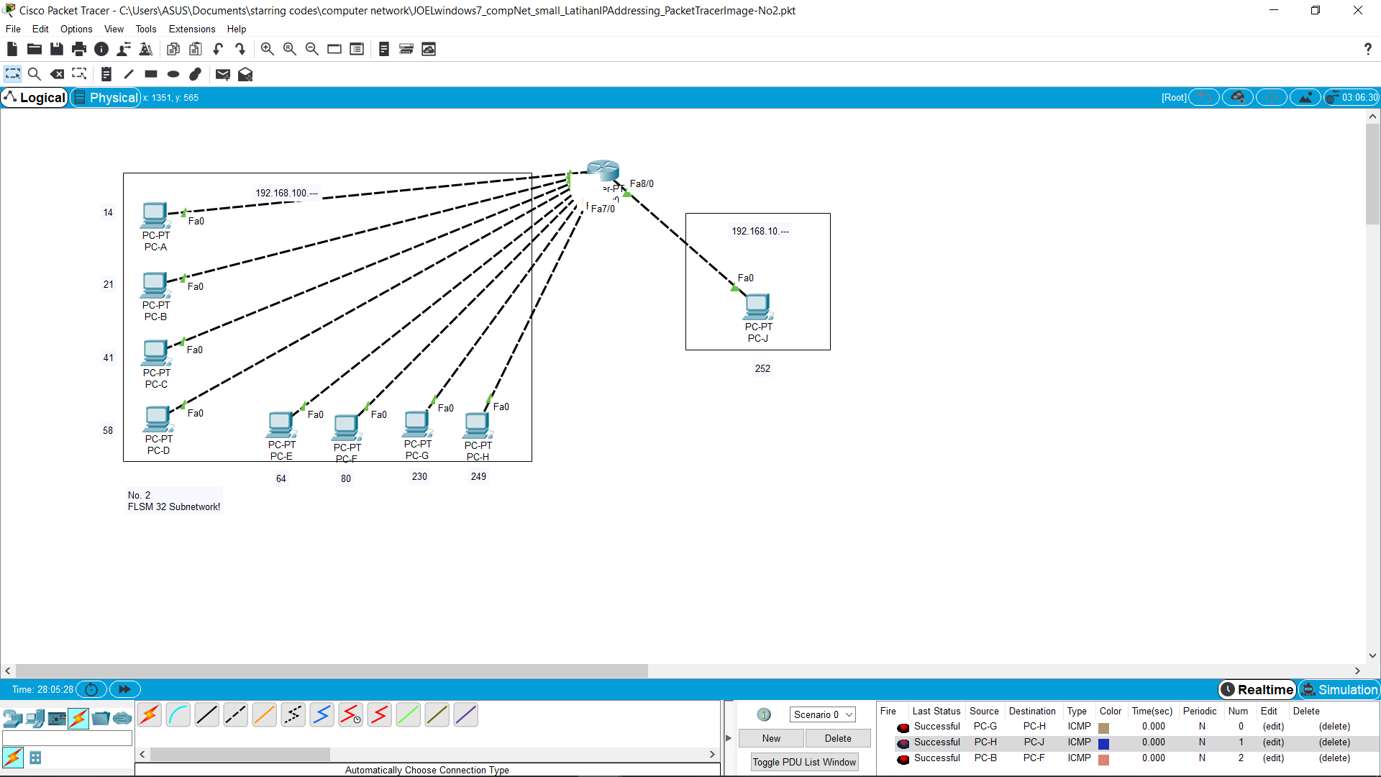
PC Name | IP | Subnet | NA (IP && Subnet) | BA (NA + Invert(Subnet)) | Gateway (NA + 0.0.0.1) | Count
 |  | (default = /24; 2^n = Host Numbers, n = BIN 1s on 4th octet, rest 1st 2nd and 3rd octet goes 255) |  |  |  | Ah damn. Why excell has No IP address cell type so I can calculate with Excell?!
No. 1
A | 192.168.100.14 | 255.255.255.0 | 192.168.100.0 | 192.168.100.255 | 192.168.100.1
B | 192.168.100.21 | 255.255.255.0 | 192.168.100.0 | 192.168.100.255 | 192.168.100.1
C | 192.168.100.41 | 255.255.255.0 | 192.168.100.0 | 192.168.100.255 | 192.168.100.1
D | 192.168.100.58 | 255.255.255.0 | 192.168.100.0 | 192.168.100.255 | 192.168.100.1
E | 192.168.100.70 | 255.255.255.0 | 192.168.100.0 | 192.168.100.255 | 192.168.100.1
F | 192.168.100.80 | 255.255.255.0 | 192.168.100.0 | 192.168.100.255 | 192.168.100.1
G | 192.168.100.230 | 255.255.255.0 | 192.168.100.0 | 192.168.100.255 | 192.168.100.1
H | 192.168.100.249 | 255.255.255.0 | 192.168.100.0 | 192.168.100.255 | 192.168.100.1
J | 192.168.10.252 | 255.255.255.0 | 192.168.10.0 | 192.168.10.255 | 192.168.10.1
 |  | C class
No. 2
A | 192.168.100.14 | 255.255.255.248 | 192.168.100.8 | 192.168.100.15 | 192.168.100.9
B | 192.168.100.21 | 255.255.255.248 | 192.168.100.16 | 192.168.100.23 | 192.168.100.18
C | 192.168.100.41 | 255.255.255.248 | 192.168.100.40 | 192.168.100.47 | 192.168.100.41
D | 192.168.100.58 | 255.255.255.248 | 192.168.100.56 | 192.168.100.63 | 192.168.100.57
E | 192.168.100.70 | 255.255.255.248 | 192.168.100.64 | 192.168.100.71 | 192.168.100.65
F | 192.168.100.80 | 255.255.255.248 | 192.168.100.80 | 192.168.100.87 | 192.168.100.81
G | 192.168.100.230 | 255.255.255.248 | 192.168.100.224 | 192.168.100.231 | 192.168.100.225
H | 192.168.100.249 | 255.255.255.248 | 192.168.100.248 | 192.168.100.255 | 192.168.100.249
J | 192.168.10.252 | 255.255.255.248 | 192.168.10.248 | 192.168.10.255 | 192.168.10.249

Joel Robert Justiawan (2101629672)
LA04

